Introduction
 |  | EEMI Harmonised Disclosure Template
 | 2021 Version
 |  | Germany
 |  | Berlin Hyp AG
 |  | Reporting Date: 30/06/21
 |  | Cut-off Date: 30/06/21
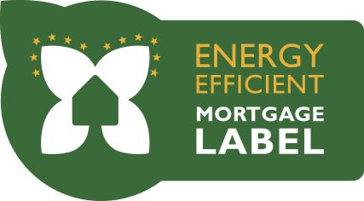

 |  | Index

Worksheet EEM General Mortgage Assets

Worksheet EEM Sust. Mortgage Assets

Worksheet EEM Harmonised Glossary

